pivot table
KPI Requirements

sum of total sale | average sales | number of items | Average of Rating
819.285 | 12.23 | 67 | 3.8805970149
 |  |  |  |  |  |  |  | Total sales by Fat content
sum of total sales | average sales | number of item | average of rating
819.285 | 12.23 | 67 | 3.88

 | Fat content by outlet for total sales |  |  |  |  |  | Row Labels | Sum of Sales
 |  |  |  |  |  |  | Low Fat | 7827.7158
 |  |  |  |  |  |  | Regular | 1198.4322
 | Sum of Sales | Column Labels |  |  |  |  | Grand Total | 9026.148
 | Row Labels | Low Fat | Regular | Grand Total
 | Tier 3 | 7827.7158 | 1198.4322 | 9026.148
 | Grand Total | 7827.7158 | 1198.4322 | 9026.148

 |  |  |  |  |  | Total sales by item
 |  |  |  |  | Row Labels | Sum of Sales
 |  |  |  |  | Soft Drinks | 9026.148
 |  |  |  |  | Grand Total | 9026.148

Row Labels | Sum of Sales
2011 | 2569.9828
2014 | 6456.1652
Grand Total | 9026.148 |  |  |  |  | Row Labels | Sum of Sales
 |  |  |  |  |  | High | 9026.148
 |  |  |  |  |  | Grand Total | 9026.148

Row Labels | Sum of Sales |  | Tier 3 | 9026.15
Tier 3 | 9026.148 |  | Grand Total | 9026.15
Grand Total | 9026.148 |  | 0 | 0.00
 |  |  | 0 | 0.00
 |  |  | 0 | 0

Row Labels | Sum of Sales
Grocery Store | 2569.9828
Supermarket Type1 | 6456.1652
Grand Total | 9026.148

Row Labels | Average of Sales |  |  |  |  |  | Row Labels | Count of S.NO
Grocery Store | 142.77682222 |  |  |  |  |  | Grocery Store | 18
Supermarket Type1 | 131.75847347 |  |  |  |  |  | Supermarket Type1 | 49
Grand Total | 134.71862687 |  |  |  |  |  | Grand Total | 67

dashbord
12.23
Avg sales
819.285
Total sales
Blinkit
India's last minute app
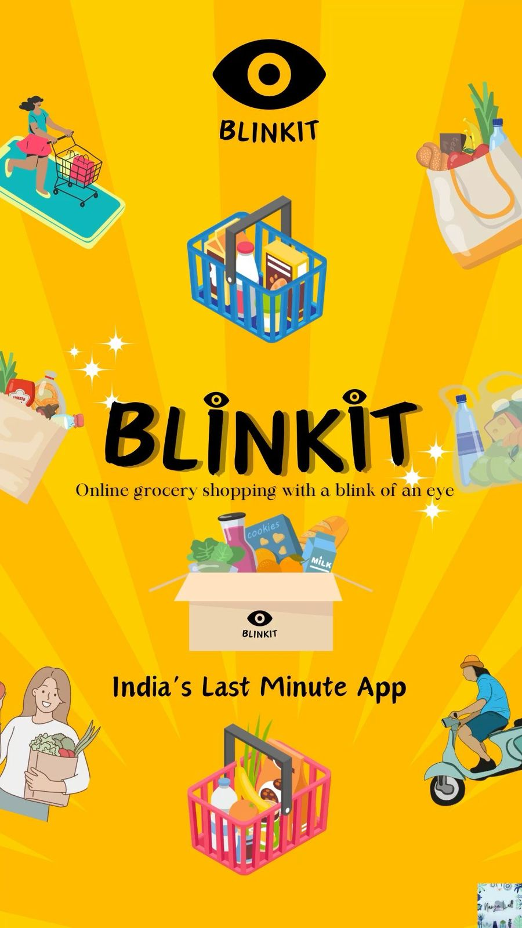
 | Total
2011 | 2569.9828
2014 | 6456.1652

OUTLET SIZE

3139
Number of items
3.92
Avg rating

OUTLET SIZE

Total
 | Total
Soft Drinks | 9026.148
 | Total
High | 9026.148
FAT CONTENT

 | Total
Low Fat | 7827.7158
Regular | 1198.4322

OUTLET LOCATION TYPE

FAT CONTENT

OUTLET LOCATION

ITEM TYPE

 | Low Fat | Regular
Tier 3 | 7827.7158 | 1198.4322

OUTLET TYPE

 | Total
Grocery Store | 2569.9828
Supermarket Type1 | 6456.1652
 | Total
Grocery Store | 142.77682222
Supermarket Type1 | 131.75847347
 | Total
Grocery Store | 18
Supermarket Type1 | 49

